Graphs & State Info
 |  |  |  |  |  |  |  | Net vote change statistics |  |  |  | State | Total 2018 D | Total 2018 R | Total D - R 2018 | Seat Split (D-R) 2018 | Seat Split (D-R) 2014 | 2018 |  | D | R | D+R
 |  |  |  |  |  |  |  | average | 29,855 |  |  | AK | 131,092 | 149,648 | -18,556 | 0-1 | 0-1 | Alaska | 1 | 131,092 | 149,648 | 280,740 | R
 |  |  |  |  |  |  |  | sd | 53,538.57 |  |  | AZ | 1,179,192 | 1,139,251 | 39,941 | 2018-05-04 | 2018-04-05 | Arizona | 1 | 143,240 | 122,784 | 266,024 | D
 |  |  |  |  |  |  |  | max | 395,174 |  |  | IL | 2,738,506 | 1,743,758 | 994,748 | 13-5 | 2018-10-08 | Arizona | 2 | 161,000 | 133,083 | 294,083 | D
 |  |  |  |  |  |  |  | min | -189,319 |  |  | IN | 996,108 | 1,247,097 | -250,989 | 2018-02-07 | 2018-02-07 | Arizona | 3 | 114,650 | 64,868 | 179,518 | D
 |  |  |  |  |  |  |  | median | 27,990 |  |  | KS | 460,023 | 556,965 | -96,942 | 2018-01-03 | 0-4 | Arizona | 4 | 84,521 | 188,842 | 273,363 | R
 |  |  |  |  |  |  |  |  |  |  |  | ME | 338,084 | 246,040 | 92,044 | 2-0 | 2018-01-01 | Arizona | 5 | 127,027 | 186,037 | 313,064 | R
 |  |  |  |  |  |  |  |  |  |  |  | MI | 2,172,362 | 1,853,598 | 318,764 | 2018-07-07 | 2018-05-09 | Arizona | 6 | 140,559 | 173,140 | 313,699 | R
 |  |  |  |  |  |  |  |  |  |  |  | MO | 1,016,096 | 1,318,481 | -302,385 | 2018-02-06 | 2018-02-06 | Arizona | 7 | 113,043 | 0 | 113,043 | D
 |  |  |  |  |  |  |  |  |  |  |  | NV | 491,181 | 439,692 | 51,489 | 2018-03-01 | 2018-01-03 | Arizona | 8 | 135,569 | 168,835 | 304,404 | R
 |  |  |  |  |  |  |  |  |  |  |  | NM | 402,288 | 263,868 | 138,420 | 3-0 | 2018-02-01 | Arizona | 9 | 159,583 | 101,662 | 261,245 | D
 |  |  |  |  |  |  |  |  |  |  |  | ND | 114,377 | 193,568 | -79,191 | 0-1 | 0-1 | Illinois | 1 | 189,560 | 50,960 | 240,520 | D
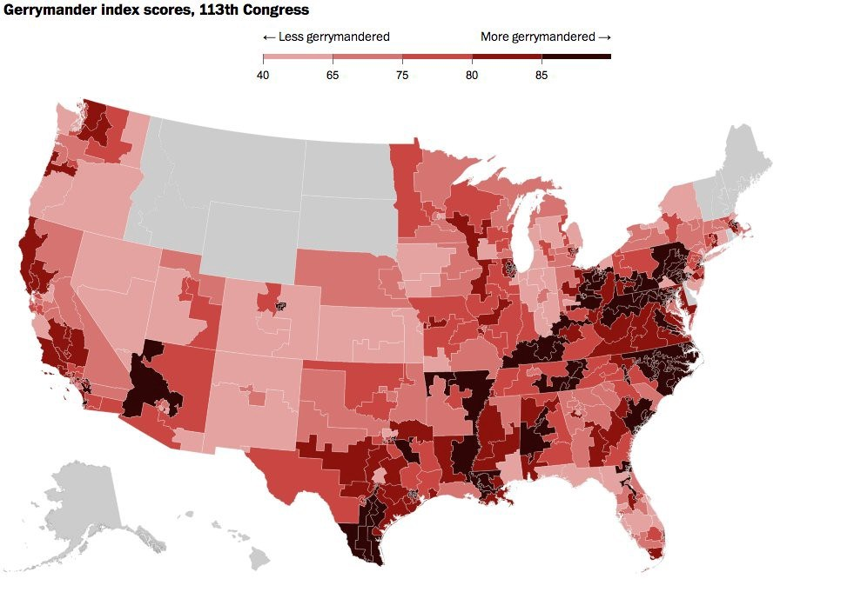
https://www.azavea.com/blog/2017/07/19/gerrymandered-states-ranked-efficiency-gap-seat-advantage/ |  |  |  |  | R Advantage | D Advantage | https://rantt.com/the-top-10-most-gerrymandered-states-in-america/ |  |  |  |  | WI | 1,366,610 | 1,171,456 | 195,154 | 2018-03-05 | 2018-03-05 | Illinois | 2 | 190,278 | 44,518 | 234,796 | D
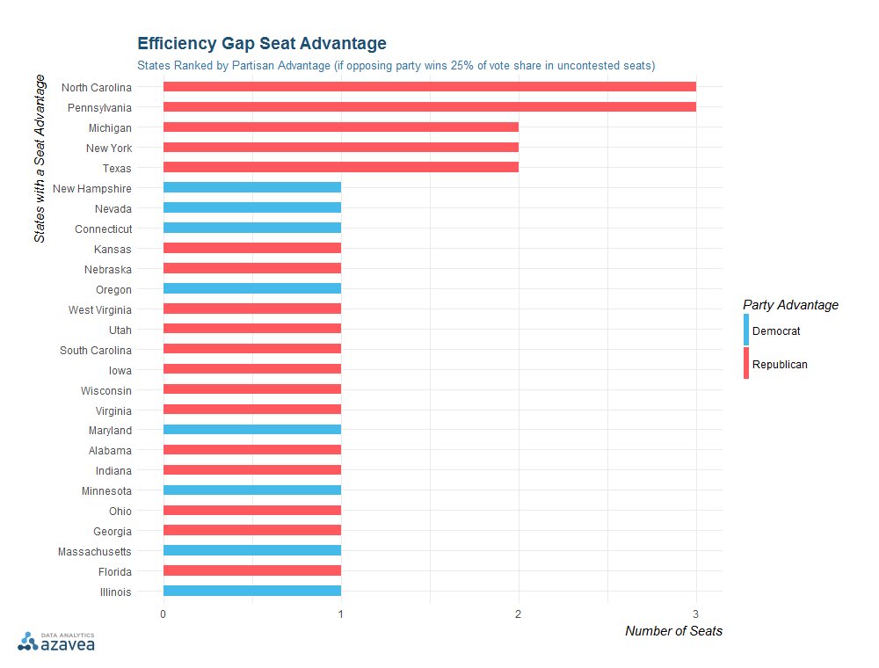
 |  |  |  |  | NC | NH |  |  |  |  |  |  |  |  | Avg difference in R Switch states |  |  | Illinois | 3 | 163,034 | 57,878 | 220,912 | D
 |  |  |  |  | PA | NV |  |  |  |  |  |  |  |  | -162780.25 |  |  | Illinois | 4 | 144,039 | 22,292 | 166,331 | D
 |  |  |  |  | MI | CT |  |  |  |  |  |  |  |  | Avg difference in D switch states |  |  | Illinois | 5 | 213,992 | 65,134 | 279,126 | D
 |  |  |  |  | NY | OR |  |  |  |  |  |  |  |  | 216702.25 |  |  | Illinois | 6 | 168,912 | 146,388 | 315,300 | D
 |  |  |  |  | TX | MD |  |  |  |  |  |  |  |  |  |  |  | Illinois | 7 | 215,746 | 30,497 | 246,243 | D
 |  |  |  |  | KS | MN |  |  |  |  |  |  |  |  |  |  |  | Illinois | 8 | 130,054 | 67,073 | 197,127 | D
 |  |  |  |  | NE | MA |  |  |  |  |  |  |  |  |  |  |  | Illinois | 9 | 212,643 | 76,854 | 289,497 | D
 |  |  |  |  | WV | IL |  |  |  |  |  |  |  |  |  |  |  | Illinois | 10 | 156,540 | 82,124 | 238,664 | D
 |  |  |  |  | UT |  |  |  |  |  |  |  |  |  |  |  |  | Illinois | 11 | 145,377 | 82,352 | 227,729 | D
 |  |  |  |  | SC |  |  |  |  |  |  |  |  |  |  |  |  | Illinois | 12 | 116,985 | 134,009 | 250,994 | R
 |  |  |  |  | IA |  |  |  |  |  |  |  |  |  |  |  |  | Illinois | 13 | 132,769 | 135,947 | 268,716 | R
 |  |  |  |  | WI |  |  |  |  |  |  |  |  |  |  |  |  | Illinois | 14 | 155,763 | 141,084 | 296,847 | D
 |  |  |  |  | VA |  |  |  |  |  |  |  |  |  |  |  |  | Illinois | 15 | 69,234 | 177,682 | 246,916 | R
 |  |  |  |  | AL |  |  |  |  |  |  |  |  |  |  |  |  | Illinois | 16 | 100,789 | 149,205 | 249,994 | R
 |  |  |  |  | IN |  |  |  |  |  |  |  |  |  |  |  |  | Illinois | 17 | 139,461 | 86,218 | 225,679 | D
 |  |  |  |  | OH |  |  |  |  |  |  |  |  |  |  |  |  | Illinois | 18 | 93,330 | 193,543 | 286,873 | R
 |  |  |  |  | GA |  |  |  |  |  |  |  |  |  |  |  |  | Indiana | 1 | 159,388 | 85,493 | 244,881 | D
 |  |  |  |  | FL |  |  |  |  |  |  |  |  |  |  |  |  | Indiana | 2 | 103,216 | 125,230 | 228,446 | R
State | Gerrymandering | Sen Switched in 2018 | Gov switched |  | D switch | R switch | Split switch |  |  |  |  |  |  |  |  |  |  | Indiana | 3 | 87,801 | 158,655 | 246,456 | R
AL | R |  |  |  | AZ | AK |  |  |  |  |  |  |  |  |  |  |  | Indiana | 4 | 83,200 | 156,501 | 239,701 | R
AK |  |  | ind to R |  | IL | IN |  |  |  |  |  |  |  |  |  |  |  | Indiana | 5 | 137,096 | 180,015 | 317,111 | R
AZ |  | D |  |  | KS | MO |  |  |  |  |  |  |  |  |  |  |  | Indiana | 6 | 79,417 | 154,227 | 233,644 | R
AR |  |  |  |  | ME | ND |  |  |  |  |  |  |  |  |  |  |  | Indiana | 7 | 141,139 | 76,457 | 217,596 | D
CA |  |  |  |  | MI |  |  |  |  |  |  |  |  |  |  |  |  | Indiana | 8 | 86,816 | 157,321 | 244,137 | R
CO |  |  |  |  | NV x2 |  |  |  |  |  |  |  |  |  |  |  |  | Indiana | 9 | 118,035 | 153,198 | 271,233 | R
CT | D |  |  |  | NM |  |  |  |  |  |  |  |  |  |  |  |  | Kansas | 1 | 69,076 | 149,708 | 218,784 | R
DE |  |  |  |  | WI |  |  |  |  |  |  |  |  |  |  |  |  | Kansas | 2 | 123,270 | 125,078 | 248,348 | R
FL | R | R |  |  |  |  |  |  |  |  |  |  |  |  |  |  |  | Kansas | 3 | 170,072 | 139,762 | 309,834 | D
GA | R |  |  |  |  |  |  |  |  |  |  |  |  |  |  |  |  | Kansas | 4 | 97,605 | 142,417 | 240,022 | R
HI |  |  |  |  |  |  |  |  |  |  |  |  |  |  |  |  |  | Maine | 1 | 198,853 | 109,714 | 308,567 | D
ID |  |  |  |  |  |  |  |  |  |  |  |  |  |  |  |  |  | Maine | 2 | 139,231 | 136,326 | 275,557 | D
IL | D |  | D |  |  |  |  |  |  |  |  |  |  |  |  |  |  | Michigan | 1 | 145,246 | 187,251 | 332,497 | R
IN | R | R |  |  |  |  |  |  |  |  |  |  |  |  |  |  |  | Michigan | 2 | 131,254 | 168,970 | 300,224 | R
IA | R |  |  |  |  |  |  |  |  |  |  |  |  |  |  |  |  | Michigan | 3 | 134,185 | 169,107 | 303,292 | R
KS | R |  | D |  |  |  |  |  |  |  |  |  |  |  |  |  |  | Michigan | 4 | 106,540 | 178,510 | 285,050 | R
KY |  |  |  |  |  |  |  |  |  |  |  |  |  |  |  |  |  | Michigan | 5 | 164,502 | 99,265 | 263,767 | D
LA |  |  |  |  |  |  |  |  |  |  |  |  |  |  |  |  |  | Michigan | 6 | 134,082 | 147,736 | 281,818 | R
ME |  |  | D |  |  |  |  |  |  |  |  |  |  |  |  |  |  | Michigan | 7 | 136,419 | 158,893 | 295,312 | R
MD | D |  |  |  |  |  |  |  |  |  |  |  |  |  |  |  |  | Michigan | 8 | 172,884 | 159,808 | 332,692 | D
MA | D |  |  |  |  |  |  |  |  |  |  |  |  |  |  |  |  | Michigan | 9 | 181,724 | 112,121 | 293,845 | D
MI | R |  | D |  |  |  |  |  |  |  |  |  |  |  |  |  |  | Michigan | 10 | 106,061 | 182,808 | 288,869 | R
MN | D |  |  |  |  |  |  |  |  |  |  |  |  |  |  |  |  | Michigan | 11 | 181,902 | 158,457 | 340,359 | D
MS |  |  |  |  |  |  |  |  |  |  |  |  |  |  |  |  |  | Michigan | 12 | 200,588 | 85,115 | 285,703 | D
MO |  | R |  |  |  |  |  |  |  |  |  |  |  |  |  |  |  | Michigan | 13 | 165,355 | 0 | 165,355 | D
MT |  |  |  |  |  |  |  |  |  |  |  |  |  |  |  |  |  | Michigan | 14 | 211,620 | 45,557 | 257,177 | D
NE | R |  |  |  |  |  |  |  |  |  |  |  |  |  |  |  |  | Missouri | 1 | 216,479 | 45,255 | 261,734 | D
NV | D | D | D |  |  |  |  |  |  |  |  |  |  |  |  |  |  | Missouri | 2 | 174,486 | 190,008 | 364,494 | R
NH | D |  |  |  |  |  |  |  |  |  |  |  |  |  |  |  |  | Missouri | 3 | 106,478 | 211,000 | 317,478 | R
NJ |  |  |  |  |  |  |  |  |  |  |  |  |  |  |  |  |  | Missouri | 4 | 93,861 | 185,245 | 279,106 | R
NM |  |  | D |  |  |  |  |  |  |  |  |  |  |  |  |  |  | Missouri | 5 | 173,592 | 100,695 | 274,287 | D
NY | R |  |  |  |  |  |  |  |  |  |  |  |  |  |  |  |  | Missouri | 6 | 97,515 | 199,580 | 297,095 | R
NC | R |  |  |  |  |  |  |  |  |  |  |  |  |  |  |  |  | Missouri | 7 | 88,642 | 195,872 | 284,514 | R
ND |  | R |  |  |  |  |  |  |  |  |  |  |  |  |  |  |  | Missouri | 8 | 65,043 | 190,826 | 255,869 | R
OH | R |  |  |  |  |  |  |  |  |  |  |  |  |  |  |  |  | Nevada | 1 | 100,674 | 46,969 | 147,643 | D
OK |  |  |  |  |  |  |  |  |  |  |  |  |  |  |  |  |  | Nevada | 2 | 120,097 | 167,432 | 287,529 | R
OR | D |  |  |  |  |  |  |  |  |  |  |  |  |  |  |  |  | Nevada | 3 | 148,474 | 122,551 | 271,025 | D
PA | R |  |  |  |  |  |  |  |  |  |  |  |  |  |  |  |  | Nevada | 4 | 121,936 | 102,740 | 224,676 | D
RI |  |  |  |  |  |  |  |  |  |  |  |  |  |  |  |  |  | New Mexico | 1 | 145,620 | 89,680 | 235,300 | D
SC | R |  |  |  |  |  |  |  |  |  |  |  |  |  |  |  |  | New Mexico | 2 | 101,481 | 97,767 | 199,248 | D
SD |  |  |  |  |  |  |  |  |  |  |  |  |  |  |  |  |  | New Mexico | 3 | 155,187 | 76,421 | 231,608 | D
TN |  |  |  |  |  |  |  |  |  |  |  |  |  |  |  |  |  | North Dakota | 1 | 114,377 | 193,568 | 307,945 | R
TX | R |  |  |  |  |  |  |  |  |  |  |  |  |  |  |  |  | Wisconsin | 1 | 137,507 | 177,490 | 314,997 | R
UT | R |  |  |  |  |  |  |  |  |  |  |  |  |  |  |  |  | Wisconsin | 2 | 309,025 | 0 | 309,025 | D
VT |  |  |  |  |  |  |  |  |  |  |  |  |  |  |  |  |  | Wisconsin | 3 | 187,615 | 126,897 | 314,512 | D
VA | R |  |  |  |  |  |  |  |  |  |  |  |  |  |  |  |  | Wisconsin | 4 | 208,127 | 60,240 | 268,367 | D
WA |  |  |  |  |  |  |  |  |  |  |  |  |  |  |  |  |  | Wisconsin | 5 | 136,995 | 223,989 | 360,984 | R
WV | R |  |  |  |  |  |  |  |  |  |  |  |  |  |  |  |  | Wisconsin | 6 | 144,530 | 180,314 | 324,844 | R
WI | R |  | D |  |  |  |  |  |  |  |  |  |  |  |  |  |  | Wisconsin | 7 | 123,548 | 193,126 | 316,674 | R
WY |  |  |  |  |  |  |  |  |  |  |  |  |  |  |  |  |  | Wisconsin | 8 | 119,263 | 209,400 | 328,663 | R
 |  |  |  |  |  |  |  | Gerrymandered
R Advantage | D Advantage | State | District | Democrat | Republican | Total D-R Votes | 2018 Winner | State | D total | R total | D-R difference | D-R Total | State advantage | Seat split (D - R) | D% of vote | Expected # of D seats (rounded to nearest whole number) | Actual - Expected
NC | NH | Alabama | 1 | 88,365 | 152,308 | 240,673 | R | Alabama | 675,873 | 972,929 | -297,056 | 1,648,802 | R | 2018-01-06 | 41.0 | 3 | -2
PA | NV | Alabama | 2 | 86,581 | 138,582 | 225,163 | R | Connecticut | 849,369 | 520,667 | 328,702 | 1,370,036 | D | 5-0 | 62.0 | 3 | 2
MI | CT | Alabama | 3 | 83,748 | 147,481 | 231,229 | R | Florida | 3,307,228 | 3,675,417 | -368,189 | 6,982,645 | R | 13-14 | 47.4 | 13 | 0
NY | OR | Alabama | 4 | 46,370 | 183,958 | 230,328 | R | Georgia | 1,814,468 | 1,987,204 | -172,736 | 3,801,672 | R | 2018-05-09 | 47.7 | 7 | -2
TX | MD | Alabama | 5 | 100,778 | 158,373 | 259,151 | R | Illinois | 2,738,506 | 1,743,758 | 994,748 | 4,482,264 | D | 13-5 | 61.1 | 11 | 2
KS | MN | Alabama | 6 | 85,337 | 192,227 | 277,564 | R | Indiana | 996,108 | 1,247,097 | -250,989 | 2,243,205 | R | 2018-02-07 | 44.4 | 4 | -2
NE | MA | Alabama | 7 | 184,694 | 0 | 184,694 | D | Iowa | 664,631 | 612,295 | 52,336 | 1,276,926 | R | 2018-03-01 | 52.0 | 2 | 1
WV | IL | Alaska | 1 | 131,092 | 149,648 | 280,740 | R | Kansas | 460,023 | 556,965 | -96,942 | 1,016,988 | R | 2018-01-03 | 45.2 | 2 | -1
UT |  | Arizona | 1 | 143,240 | 122,784 | 266,024 | D | Maryland | 1,493,137 | 737,996 | 755,141 | 2,231,133 | D | 2018-07-01 | 66.9 | 5 | 2
SC |  | Arizona | 2 | 161,000 | 133,083 | 294,083 | D | Massachusetts | 1,733,152 | 486,192 | 1,246,960 | 2,219,344 | D | 9-0 | 78.1 | 7 | 2
IA |  | Arizona | 3 | 114,650 | 64,868 | 179,518 | D | Michigan | 2,172,362 | 1,853,598 | 318,764 | 4,025,960 | R | 2018-07-07 | 54.0 | 8 | -1
WI |  | Arizona | 4 | 84,521 | 188,842 | 273,363 | R | Minnesota | 1,420,748 | 1,125,535 | 295,213 | 2,546,283 | D | 2018-05-03 | 55.8 | 4 | 1
VA |  | Arizona | 5 | 127,027 | 186,037 | 313,064 | R | Nebraska | 262,551 | 429,581 | -167,030 | 692,132 | R | 0-3 | 37.9 | 1 | -1
AL |  | Arizona | 6 | 140,559 | 173,140 | 313,699 | R | Nevada | 491,181 | 439,692 | 51,489 | 930,873 | D | 2018-03-01 | 52.8 | 2 | 1
IN |  | Arizona | 7 | 113,043 | 0 | 113,043 | D | New Hampshire | 310,269 | 249,685 | 60,584 | 559,954 | D | 2-0 | 55.4 | 1 | 1
OH |  | Arizona | 8 | 135,569 | 168,835 | 304,404 | R | New York | 3,699,556 | 1,766,730 | 1,932,826 | 5,466,286 | R | 21-6 | 67.7 | 18 | 3
GA |  | Arizona | 9 | 159,583 | 101,662 | 261,245 | D | North Carolina | 1,770,902 | 1,845,921 | -75,019 | 3,616,823 | R | 2018-03-10 | 49.0 | 6 | -3
FL |  | Arkansas | 1 | 57,869 | 138,721 | 196,590 | R | Ohio | 2,023,914 | 2,247,220 | -223,306 | 4,271,134 | R | 2018-04-12 | 47.4 | 8 | -4
 |  | Arkansas | 2 | 116,088 | 131,974 | 248,062 | R | Oregon | 1,052,544 | 698,074 | 354,470 | 1,750,618 | D | 2018-04-01 | 60.1 | 3 | 1
 |  | Arkansas | 3 | 74,939 | 148,677 | 223,616 | R | South Carolina | 757,340 | 927,494 | -170,154 | 1,684,834 | R | 2018-02-05 | 45.0 | 3 | -1
 |  | Arkansas | 4 | 63,974 | 136,728 | 200,702 | R | Texas | 3,835,484 | 4,120,537 | -285,053 | 7,956,021 | R | 13-23 | 48.2 | 17 | -4
 |  | California | 1 | 129,482 | 158,159 | 287,641 | R | Utah | 374,009 | 617,307 | -243,298 | 991,316 | R | 2018-01-03 | 37.7 | 2 | -1
 |  | California | 2 | 190,480 | 57,612 | 248,092 | D | Virginia | 1,867,061 | 1,408,711 | 458,350 | 3,275,772 | R | 2018-07-04 | 57.0 | 6 | 1
 |  | California | 3 | 118,974 | 89,732 | 208,706 | D | West Virginia | 234,565 | 337,144 | -102,579 | 571,709 | R | 0-3 | 41.0 | 1 | -1
 |  | California | 4 | 149,307 | 177,401 | 326,708 | R | Wisconsin | 1,366,610 | 1,171,456 | 195,154 | 2,538,066 | R | 2018-03-05 | 53.8 | 4 | -1
 |  | California | 5 | 163,039 | 0 | 163,039 | D |  |  |  |  |  |  |  |  |  | -7
 |  | California | 6 | 181,934 | 0 | 181,934 | D | State | D total | R total | D-R difference | D-R Total | State advantage | Seat split (D - R) | D% of vote | Expected # of D seats (rounded to nearest whole number) | Actual - Expected
 |  | California | 7 | 143,342 | 117,998 | 261,340 | D | Alaska | 131,092 | 149,648 | -18,556 | 280,740 |  | 0-1 | 46.7 | 0.467 | 0
 |  | California | 8 | 0 | 161,231 | 161,231 | R | Arizona | 1,179,192 | 1,139,251 | 39,941 | 2,318,443 |  | 2018-05-04 | 50.9 | 5 | 0
 |  | California | 9 | 102,768 | 81,196 | 183,964 | D | Arkansas | 312,870 | 556,100 | -243,230 | 868,970 |  | 0-4 | 36.0 | 1 | -1
 |  | California | 10 | 106,200 | 99,595 | 205,795 | D | California | 7,378,322 | 3,718,831 | 3,659,491 | 11,097,153 |  | 46-7 | 66.5 | 35 | 11
 |  | California | 11 | 186,414 | 65,520 | 251,934 | D | Colorado | 1,339,639 | 1,075,873 | 263,766 | 2,415,512 |  | 2018-04-03 | 55.5 | 4 | 0
 |  | California | 12 | 274,991 | 41,744 | 316,735 | D | Delaware | 227,353 | 125,384 | 101,969 | 352,737 |  | 1-0 | 64.5 | 1 | 0
 |  | California | 13 | 260,427 | 0 | 260,427 | D | Hawaii | 287,921 | 87,348 | 200,573 | 375,269 |  | 2-0 | 76.7 | 2 | 0
 |  | California | 14 | 196,553 | 51,995 | 248,548 | D | Idaho | 207,295 | 367,431 | -160,136 | 574,726 |  | 0-2 | 36.1 | 1 | -1
 |  | California | 15 | 176,279 | 65,251 | 241,530 | D | Kentucky | 613,073 | 935,566 | -322,493 | 1,548,639 |  | 2018-01-05 | 39.6 | 2 | -1
 |  | California | 16 | 75,915 | 57,714 | 133,629 | D | Louisiana | 553,184 | 835,715 | -282,531 | 1,388,899 |  | 2018-01-05 | 39.8 | 2 | -1
 |  | California | 17 | 154,796 | 50,922 | 205,718 | D | Maine | 338,084 | 246,040 | 92,044 | 584,124 |  | 2-0 | 57.9 | 1 | 1
 |  | California | 18 | 215,085 | 74,188 | 289,273 | D | Mississippi | 372,683 | 445,637 | -72,954 | 818,320 |  | 2018-01-03 | 45.5 | 2 | -1
 |  | California | 19 | 157,285 | 56,251 | 213,536 | D | Missouri | 1,016,096 | 1,318,481 | -302,385 | 2,334,577 |  | 2018-01-07 | 43.5 | 3 | -2
 |  | California | 20 | 175,805 | 0 | 175,805 | D | Montana | 233,283 | 256,661 | -23,378 | 489,944 |  | 0-1 | 47.6 | 0 | 0
 |  | California | 21 | 54,266 | 54,713 | 108,979 | R | New Jersey | 1,856,132 | 1,191,650 | 664,482 | 3,047,782 |  | 2018-11-01 | 60.9 | 7 | 4
 |  | California | 22 | 95,813 | 110,039 | 205,852 | R | New Mexico | 402,288 | 263,868 | 138,420 | 666,156 |  | 3-0 | 60.4 | 2 | 1
 |  | California | 23 | 70,413 | 126,621 | 197,034 | R | North Dakota | 114,377 | 193,568 | -79,191 | 307,945 |  | 0-1 | 37.1 | 0.371 | 0
 |  | California | 24 | 156,849 | 113,409 | 270,258 | D | Oklahoma | 428,452 | 730,531 | -302,079 | 1,158,983 |  | 2018-01-04 | 37.0 | 2 | -1
 |  | California | 25 | 121,336 | 105,110 | 226,446 | D | Pennsylvania | 2,694,499 | 2,185,199 | 509,300 | 4,879,698 | R | 2018-09-09 | 55.2 | 10 | -1
 |  | California | 26 | 143,880 | 90,334 | 234,214 | D | Rhode Island | 242,575 | 129,838 | 112,737 | 372,413 |  | 2-0 | 65.1 | 1 | 1
 |  | California | 27 | 191,781 | 0 | 191,781 | D | South Dakota | 120,816 | 202,444 | -81,628 | 323,260 |  | 0-1 | 37.4 | 0 | 0
 |  | California | 28 | 184,935 | 51,677 | 236,612 | D | Tennessee | 843,658 | 1,276,040 | -432,382 | 2,119,698 |  | 2018-02-07 | 39.8 | 4 | -2
 |  | California | 29 | 115,456 | 28,176 | 143,632 | D | Vermont | 188,547 | 70,705 | 117,842 | 259,252 |  | 1-0 | 72.7 | 1 | 0
 |  | California | 30 | 180,312 | 66,070 | 246,382 | D | Washington | 1,883,591 | 1,044,885 | 838,706 | 2,928,476 |  | 2018-07-03 | 64.3 | 6 | 1
 |  | California | 31 | 101,052 | 73,125 | 174,177 | D | Wyoming | 59,903 | 127,963 | -68,060 | 187,866 |  | 0-1 | 31.9 | 0 | 0
 |  | California | 32 | 112,836 | 52,068 | 164,904 | D |  |  |  |  |  |  |  |  |  | 8
 |  | California | 33 | 208,173 | 89,744 | 297,917 | D |  |  |  |  |  |  |  |  | Overall | 1
 |  | California | 34 | 101,125 | 0 | 101,125 | R
 |  | California | 35 | 94,495 | 42,775 | 137,270 | D
 |  | California | 36 | 92,475 | 66,757 | 159,232 | D
 |  | California | 37 | 196,966 | 24,274 | 221,240 | D
 |  | California | 38 | 128,537 | 59,431 | 187,968 | D
 |  | California | 39 | 120,073 | 114,512 | 234,585 | D
 |  | California | 40 | 83,948 | 0 | 83,948 | D
 |  | California | 41 | 76,554 | 46,175 | 122,729 | D
 |  | California | 42 | 74,633 | 101,929 | 176,562 | R
 |  | California | 43 | 139,628 | 41,176 | 180,804 | D
 |  | California | 44 | 130,828 | 0 | 130,828 | D
 |  | California | 45 | 150,443 | 140,130 | 290,573 | D
 |  | California | 46 | 98,147 | 44,135 | 142,282 | D
 |  | California | 47 | 133,421 | 73,877 | 207,298 | D
 |  | California | 48 | 153,408 | 133,637 | 287,045 | D
 |  | California | 49 | 153,078 | 119,879 | 272,957 | D
 |  | California | 50 | 115,007 | 124,826 | 239,833 | R
 |  | California | 51 | 96,301 | 40,264 | 136,565 | D
 |  | California | 52 | 174,930 | 100,234 | 275,164 | D
 |  | California | 53 | 168,147 | 77,225 | 245,372 | D
 |  | Colorado | 1 | 272,886 | 85,205 | 358,091 | D
 |  | Colorado | 2 | 259,558 | 144,866 | 404,424 | D
 |  | Colorado | 3 | 145,638 | 171,984 | 317,622 | R
 |  | Colorado | 4 | 145,535 | 224,028 | 369,563 | R
 |  | Colorado | 5 | 124,101 | 181,356 | 305,457 | R
 |  | Colorado | 6 | 187,639 | 148,685 | 336,324 | D
 |  | Colorado | 7 | 204,282 | 119,749 | 324,031 | D
 |  | Connecticut | 1 | 175,087 | 96,024 | 271,111 | D
 |  | Connecticut | 2 | 180,159 | 102,630 | 282,789 | D
 |  | Connecticut | 3 | 174,173 | 95,666 | 269,839 | D
 |  | Connecticut | 4 | 168,726 | 106,921 | 275,647 | D
 |  | Connecticut | 5 | 151,224 | 119,426 | 270,650 | D
 |  | Delaware | 1 | 227,353 | 125,384 | 352,737 | D
 |  | Florida | 1 | 106,199 | 216,189 | 322,388 | R
 |  | Florida | 2 | 96,233 | 199,335 | 295,568 | R
 |  | Florida | 3 | 129,880 | 176,616 | 306,496 | R
 |  | Florida | 4 | 123,351 | 248,420 | 371,771 | R
 |  | Florida | 5 | 180,527 | 89,799 | 270,326 | D
 |  | Florida | 6 | 145,758 | 187,891 | 333,649 | R
 |  | Florida | 7 | 183,113 | 134,285 | 317,398 | D
 |  | Florida | 8 | 142,415 | 218,112 | 360,527 | R
 |  | Florida | 9 | 172,172 | 124,565 | 296,737 | D
 |  | Florida | 10 | 0 | 0 | 0 | D
 |  | Florida | 11 | 128,053 | 239,395 | 367,448 | R
 |  | Florida | 12 | 132,844 | 194,564 | 327,408 | R
 |  | Florida | 13 | 182,717 | 134,254 | 316,971 | D
 |  | Florida | 14 | 0 | 0 | 0 | D
 |  | Florida | 15 | 134,132 | 151,380 | 285,512 | R
 |  | Florida | 16 | 164,463 | 197,483 | 361,946 | R
 |  | Florida | 17 | 117,194 | 193,326 | 310,520 | R
 |  | Florida | 18 | 156,454 | 185,905 | 342,359 | R
 |  | Florida | 19 | 128,106 | 211,465 | 339,571 | R
 |  | Florida | 20 | 202,659 | 0 | 202,659 | D
 |  | Florida | 21 | 0 | 0 | 0 | D
 |  | Florida | 22 | 184,634 | 113,049 | 297,683 | D
 |  | Florida | 23 | 161,611 | 99,446 | 261,057 | D
 |  | Florida | 24 | 0 | 0 | 0 | D
 |  | Florida | 25 | 84,173 | 128,672 | 212,845 | R
 |  | Florida | 26 | 119,797 | 115,678 | 235,475 | D
 |  | Florida | 27 | 130,743 | 115,588 | 246,331 | D
 |  | Georgia | 1 | 105,942 | 144,741 | 250,683 | R
 |  | Georgia | 2 | 136,699 | 92,472 | 229,171 | D
 |  | Georgia | 3 | 101,010 | 191,996 | 293,006 | R
 |  | Georgia | 4 | 227,717 | 61,092 | 288,809 | D
 |  | Georgia | 5 | 275,406 | 0 | 275,406 | D
 |  | Georgia | 6 | 160,139 | 156,875 | 317,014 | D
 |  | Georgia | 7 | 140,010 | 140,443 | 280,453 | R
 |  | Georgia | 8 | 0 | 198,152 | 198,152 | R
 |  | Georgia | 9 | 57,912 | 224,661 | 282,573 | R
 |  | Georgia | 10 | 112,339 | 190,396 | 302,735 | R
 |  | Georgia | 11 | 118,653 | 191,887 | 310,540 | R
 |  | Georgia | 12 | 101,503 | 148,986 | 250,489 | R
 |  | Georgia | 13 | 223,157 | 69,760 | 292,917 | D
 |  | Georgia | 14 | 53,981 | 175,743 | 229,724 | R
 |  | Hawaii | 1 | 134,650 | 42,498 | 177,148 | D
 |  | Hawaii | 2 | 153,271 | 44,850 | 198,121 | D
 |  | Idaho | 1 | 96,909 | 197,151 | 294,060 | R
 |  | Idaho | 2 | 110,386 | 170,280 | 280,666 | R
 |  | Illinois | 1 | 189,560 | 50,960 | 240,520 | D
 |  | Illinois | 2 | 190,278 | 44,518 | 234,796 | D
 |  | Illinois | 3 | 163,034 | 57,878 | 220,912 | D
 |  | Illinois | 4 | 144,039 | 22,292 | 166,331 | D
 |  | Illinois | 5 | 213,992 | 65,134 | 279,126 | D
 |  | Illinois | 6 | 168,912 | 146,388 | 315,300 | D
 |  | Illinois | 7 | 215,746 | 30,497 | 246,243 | D
 |  | Illinois | 8 | 130,054 | 67,073 | 197,127 | D
 |  | Illinois | 9 | 212,643 | 76,854 | 289,497 | D
 |  | Illinois | 10 | 156,540 | 82,124 | 238,664 | D
 |  | Illinois | 11 | 145,377 | 82,352 | 227,729 | D
 |  | Illinois | 12 | 116,985 | 134,009 | 250,994 | R
 |  | Illinois | 13 | 132,769 | 135,947 | 268,716 | R
 |  | Illinois | 14 | 155,763 | 141,084 | 296,847 | D
 |  | Illinois | 15 | 69,234 | 177,682 | 246,916 | R
 |  | Illinois | 16 | 100,789 | 149,205 | 249,994 | R
 |  | Illinois | 17 | 139,461 | 86,218 | 225,679 | D
 |  | Illinois | 18 | 93,330 | 193,543 | 286,873 | R
 |  | Indiana | 1 | 159,388 | 85,493 | 244,881 | D
 |  | Indiana | 2 | 103,216 | 125,230 | 228,446 | R
 |  | Indiana | 3 | 87,801 | 158,655 | 246,456 | R
 |  | Indiana | 4 | 83,200 | 156,501 | 239,701 | R
 |  | Indiana | 5 | 137,096 | 180,015 | 317,111 | R
 |  | Indiana | 6 | 79,417 | 154,227 | 233,644 | R
 |  | Indiana | 7 | 141,139 | 76,457 | 217,596 | D
 |  | Indiana | 8 | 86,816 | 157,321 | 244,137 | R
 |  | Indiana | 9 | 118,035 | 153,198 | 271,233 | R
 |  | Iowa | 1 | 170,342 | 153,442 | 323,784 | D
 |  | Iowa | 2 | 171,437 | 133,287 | 304,724 | D
 |  | Iowa | 3 | 175,642 | 167,933 | 343,575 | D
 |  | Iowa | 4 | 147,210 | 157,633 | 304,843 | R
 |  | Kansas | 1 | 69,076 | 149,708 | 218,784 | R
 |  | Kansas | 2 | 123,270 | 125,078 | 248,348 | R
 |  | Kansas | 3 | 170,072 | 139,762 | 309,834 | D
 |  | Kansas | 4 | 97,605 | 142,417 | 240,022 | R
 |  | Kentucky | 1 | 78,849 | 172,166 | 251,015 | R
 |  | Kentucky | 2 | 79,994 | 171,700 | 251,694 | R
 |  | Kentucky | 3 | 173,002 | 101,930 | 274,932 | D
 |  | Kentucky | 4 | 90,533 | 162,943 | 253,476 | R
 |  | Kentucky | 5 | 45,965 | 172,359 | 218,324 | R
 |  | Kentucky | 6 | 144,730 | 154,468 | 299,198 | R
 |  | Louisiana | 1 | 71,521 | 192,555 | 264,076 | R
 |  | Louisiana | 2 | 190,182 | 0 | 190,182 | D
 |  | Louisiana | 3 | 74,713 | 168,263 | 242,976 | R
 |  | Louisiana | 4 | 72,934 | 139,326 | 212,260 | R
 |  | Louisiana | 5 | 67,118 | 149,018 | 216,136 | R
 |  | Louisiana | 6 | 76,716 | 186,553 | 263,269 | R
 |  | Maine | 1 | 198,853 | 109,714 | 308,567 | D
 |  | Maine | 2 | 139,231 | 136,326 | 275,557 | D
 |  | Maryland | 1 | 116,647 | 183,678 | 300,325 | R
 |  | Maryland | 2 | 167,235 | 77,816 | 245,051 | D
 |  | Maryland | 3 | 202,419 | 82,786 | 285,205 | D
 |  | Maryland | 4 | 209,642 | 53,327 | 262,969 | D
 |  | Maryland | 5 | 213,796 | 82,361 | 296,157 | D
 |  | Maryland | 6 | 163,346 | 105,209 | 268,555 | D
 |  | Maryland | 7 | 202,373 | 56,294 | 258,667 | D
 |  | Maryland | 8 | 217,679 | 96,525 | 314,204 | D
 |  | Massachusetts | 1 | 134,515 | 0 | 134,515 | D
 |  | Massachusetts | 2 | 179,868 | 86,292 | 266,160 | D
 |  | Massachusetts | 3 | 171,303 | 92,744 | 264,047 | D
 |  | Massachusetts | 4 | 188,994 | 0 | 188,994 | D
 |  | Massachusetts | 5 | 228,521 | 72,353 | 300,874 | D
 |  | Massachusetts | 6 | 216,282 | 104,379 | 320,661 | D
 |  | Massachusetts | 7 | 213,778 | 0 | 213,778 | D
 |  | Massachusetts | 8 | 209,678 | 0 | 209,678 | D
 |  | Massachusetts | 9 | 190,213 | 130,424 | 320,637 | D
 |  | Michigan | 1 | 145,246 | 187,251 | 332,497 | R
 |  | Michigan | 2 | 131,254 | 168,970 | 300,224 | R
 |  | Michigan | 3 | 134,185 | 169,107 | 303,292 | R
 |  | Michigan | 4 | 106,540 | 178,510 | 285,050 | R
 |  | Michigan | 5 | 164,502 | 99,265 | 263,767 | D
 |  | Michigan | 6 | 134,082 | 147,736 | 281,818 | R
 |  | Michigan | 7 | 136,419 | 158,893 | 295,312 | R
 |  | Michigan | 8 | 172,884 | 159,808 | 332,692 | D
 |  | Michigan | 9 | 181,724 | 112,121 | 293,845 | D
 |  | Michigan | 10 | 106,061 | 182,808 | 288,869 | R
 |  | Michigan | 11 | 181,902 | 158,457 | 340,359 | D
 |  | Michigan | 12 | 200,588 | 85,115 | 285,703 | D
 |  | Michigan | 13 | 165,355 | 0 | 165,355 | D
 |  | Michigan | 14 | 211,620 | 45,557 | 257,177 | D
 |  | Minnesota | 1 | 144,884 | 146,199 | 291,083 | R
 |  | Minnesota | 2 | 177,954 | 159,343 | 337,297 | D
 |  | Minnesota | 3 | 202,402 | 160,839 | 363,241 | D
 |  | Minnesota | 4 | 216,866 | 97,746 | 314,612 | D
 |  | Minnesota | 5 | 267,699 | 74,440 | 342,139 | D
 |  | Minnesota | 6 | 122,330 | 192,936 | 315,266 | R
 |  | Minnesota | 7 | 146,665 | 134,668 | 281,333 | D
 |  | Minnesota | 8 | 141,948 | 159,364 | 301,312 | R
 |  | Mississippi | 1 | 74,836 | 155,192 | 230,028 | R
 |  | Mississippi | 2 | 150,911 | 0 | 150,911 | D
 |  | Mississippi | 3 | 90,193 | 155,840 | 246,033 | R
...

